Architecture
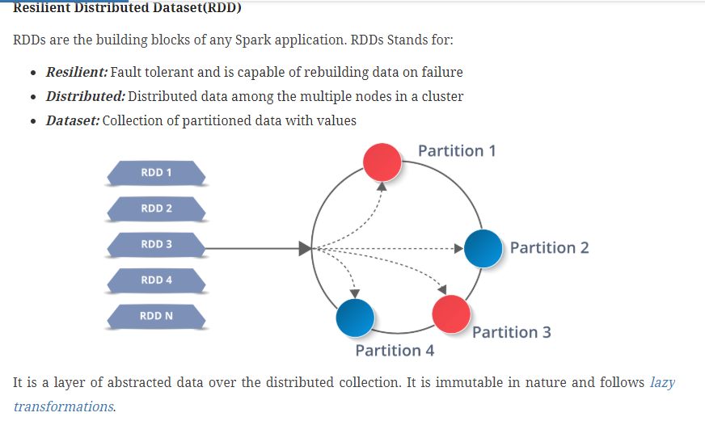
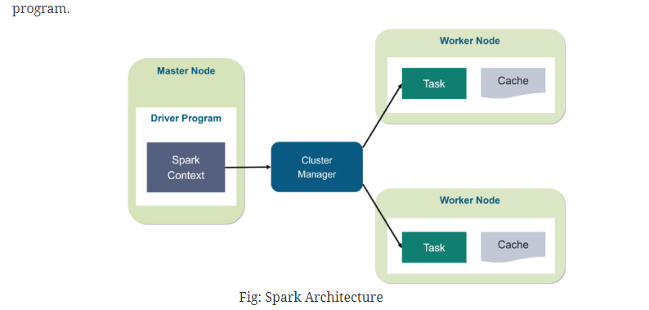
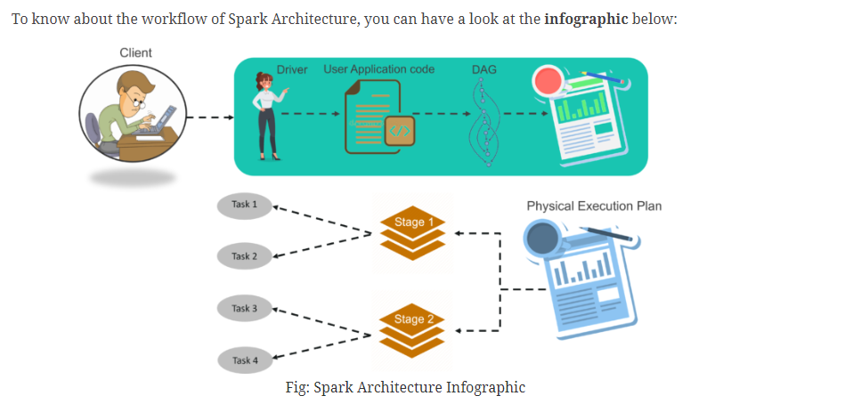
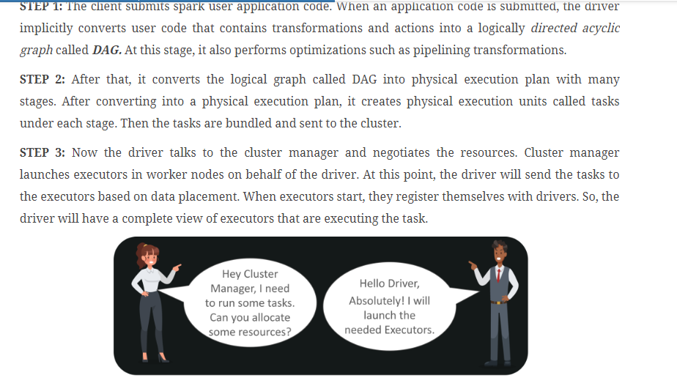
Architecture of Hive

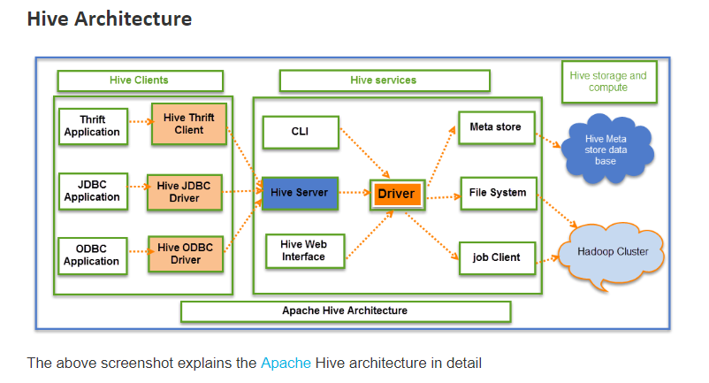

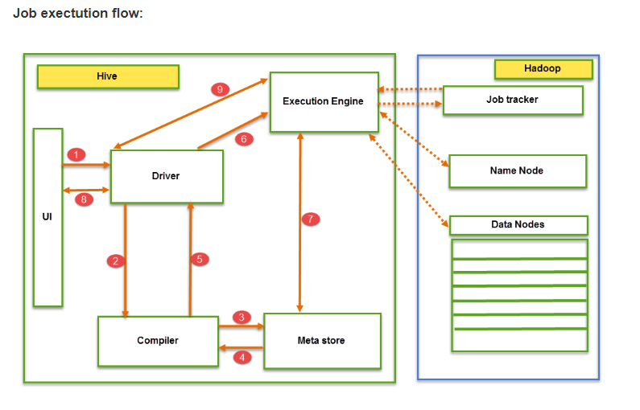

The data flow in Hive behaves in the following pattern;

1. Executing Query from the UI( User Interface)
2. The driver is interacting with Compiler for getting the plan. (Here plan refers to query execution) process and its related metadata information gathering
3. The compiler creates the plan for a job to be executed. Compiler communicating with Meta store for getting metadata request
4. Meta store sends metadata information back to compiler
5. Compiler communicating with Driver with the proposed plan to execute the query
6. Driver Sending execution plans to Execution engine
7. Execution Engine (EE) acts as a bridge between Hive and Hadoop to process the query. For DFS operations.

EE should first contacts Name Node and then to Data nodes to get the values stored in tables.
EE is going to fetch desired records from Data Nodes. The actual data of tables resides in data node only. While from Name Node it only fetches the metadata information for the query.
It collects actual data from data nodes related to mentioned query
Execution Engine (EE) communicates bi-directionally with Meta store present in Hive to perform DDL (Data Definition Language) operations. Here DDL operations like CREATE, DROP and ALTERING tables and databases are done. Meta store will store information about database name, table names and column names only. It will fetch data related to query mentioned.
Execution Engine (EE) in turn communicates with Hadoop daemons such as Name node, Data nodes, and job tracker to execute the query on top of Hadoop file system

8. Fetching results from driver
9. Sending results to Execution engine. Once the results fetched from data nodes to the EE, it will send results back to driver and to UI ( front end)

Hive Continuously in contact with Hadoop file system and its daemons via Execution engine. The dotted arrow in the Job flow diagram shows the Execution engine communication with Hadoop daemons.

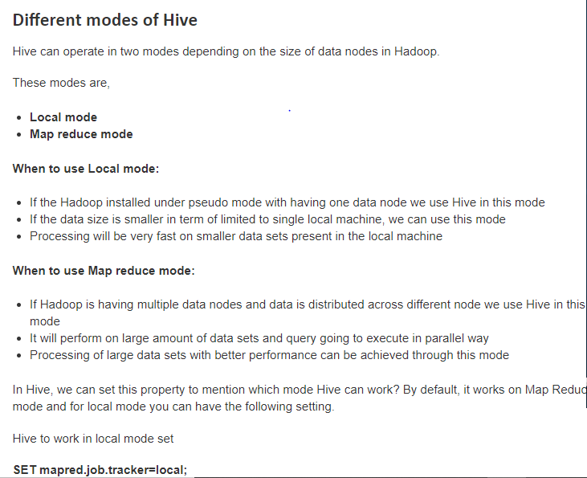

Architecture of Hadoop

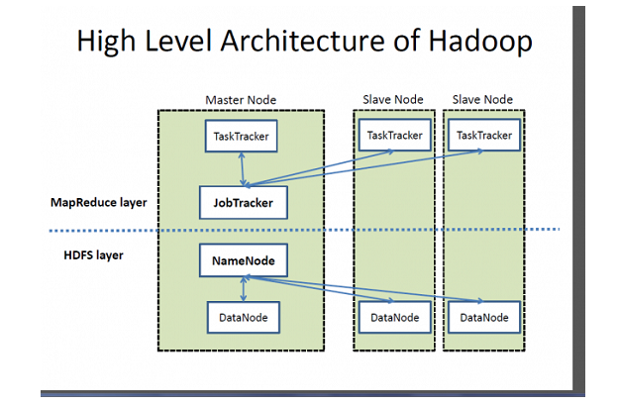
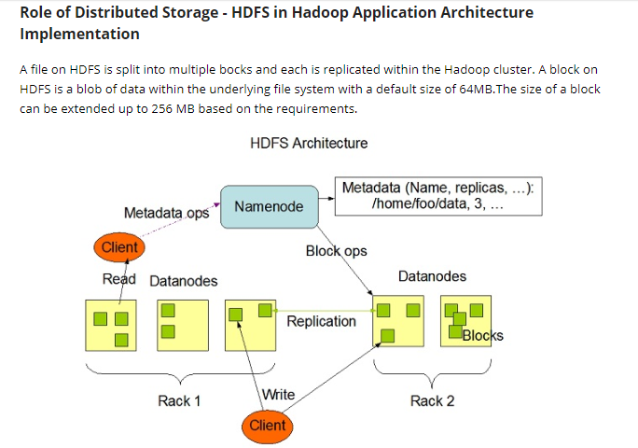

JobTracker finds the best Task Tracker nodes to execute tasks based on the
data locality (proximity of the data) and the available slots to execute a task on a given node.
JobTracker monitors the individual Task Trackers and the submits back the overall
status of the job back to the client.

Map reduce

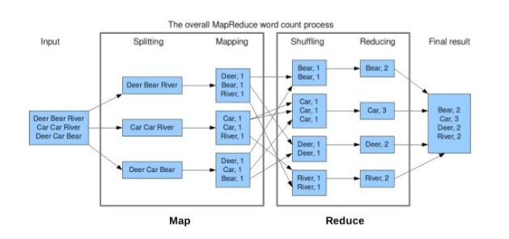

Spark Architecture

Explanations
